C3.1
Back to contents
 | Chart 3.1: Direct borrowing impact of policy decisions included in this forecast

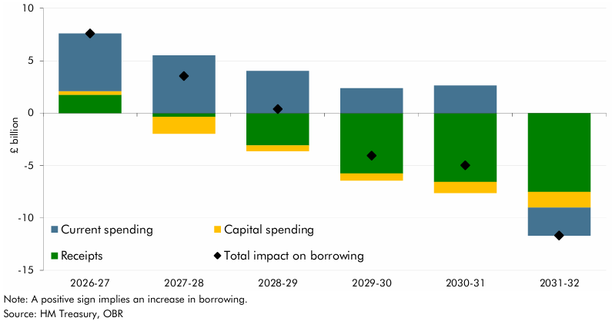

 |  | 2026-27 | 2027-28 | 2028-29 | 2029-30 | 2030-31 | 2031-32
 | Total impact on borrowing | 7.6 | 3.5 | 0.4 | -4.1 | -5.0 | -11.7
 | Current spending | 5.5 | 5.5 | 4.0 | 2.4 | 2.6 | -2.6
 | Capital spending | 0.4 | -1.6 | -0.6 | -0.7 | -1.1 | -1.5
 | Receipts | 1.7 | -0.3 | -3.1 | -5.8 | -6.6 | -7.5

C3.2
Back to contents
 | Chart 3.2: Size of fiscal policy packages, 2010 to 2026

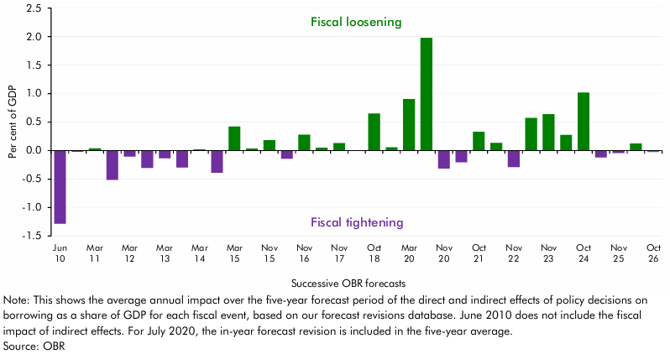

 |  | Revision as a percentage of GDP over 5 years
 | June 2010 | -1.3
 | November 2010 | 0.0
 | March 2011 | 0.0
 | November 2011 | -0.5
 | March 2012 | -0.1
 | December 2012 | -0.3
 | March 2013 | -0.1
 | December 2013 | -0.3
 | March 2014 | 0.0
 | December 2014 | -0.4
 | March 2015 | 0.4
 | July 2015 | 0.0
 | November 2015 | 0.2
 | March 2016 | -0.1
 | November 2016 | 0.3
 | March 2017 | 0.0
 | November 2017 | 0.1
 | March 2018 | 0.0
 | October 2018 | 0.6
 | March 2019 | 0.1
 | March 2020 | 0.9
 | July 2020 | 2.0
 | November 2020 | -0.3
 | March 2021 | -0.2
 | October 2021 | 0.3
 | March 2022 | 0.1
 | November 2022 | -0.3
 | March 2023 | 0.6
 | November 2023 | 0.6
 | March 2024 | 0.3
 | October 2024 | 1.0
 | March 2025 | -0.1
 | November 2025 | 0.0
 | March 2026 | 0.1
 | October 2026 | 0.0

C3.3
Back to contents
 | Chart 3.3: Impact of policy measures on borrowing over the five-year forecast

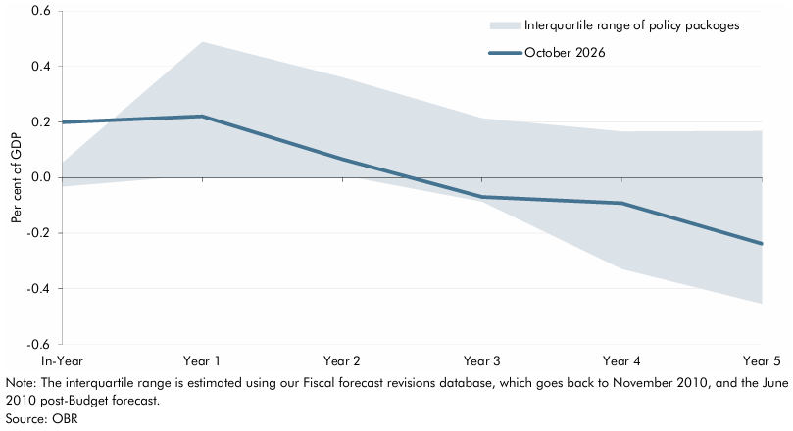

 |  | In-year | Year 1 | Year 2 | Year 3 | Year 4 | Year 5
 | October 2026 policy package | 0.2 | 0.2 | 0.1 | -0.1 | -0.1 | -0.2
 | 25th percentile (clipped) | 0.0 | 0.0 | 0.0 | -0.1 | -0.3 | -0.5
 | 75th percentile (clipped) | 0.1 | 0.5 | 0.4 | 0.2 | 0.2 | 0.2

C3.A
Back to contents
 | Chart 3.A: Tax gap: recent trends and forecast

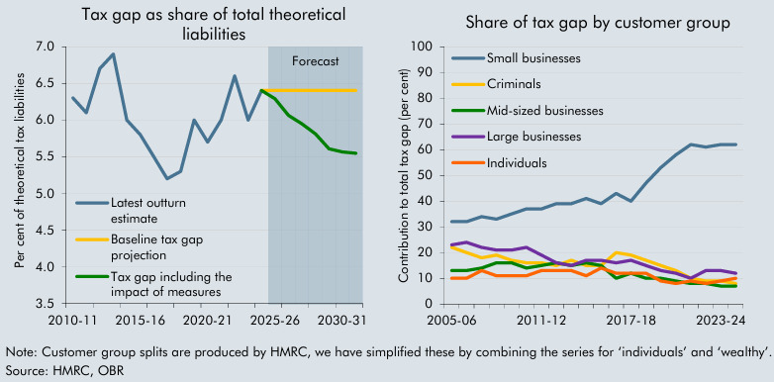

 | Left chart | 2005-06 | 2006-07 | 2007-08 | 2008-09 | 2009-10 | 2010-11 | 2011-12 | 2012-13 | 2013-14 | 2014-15 | 2015-16 | 2016-17 | 2017-18 | 2018-19 | 2019-20 | 2020-21 | 2021-22 | 2022-23 | 2023-24 | 2024-25 | 2025-26 | 2026-27 | 2027-28 | 2028-29 | 2029-30 | 2030-31 | 2031-32
 | Latest outturn estimate | 7.5 | 6.7 | 6.3 | 6.9 | 6.4 | 6.3 | 6.1 | 6.7 | 6.9 | 6.0 | 5.8 | 5.5 | 5.2 | 5.3 | 6.0 | 5.7 | 6.0 | 6.6 | 6.0 | 6.4
 | Baseline tax gap projection |  |  |  |  |  |  |  |  |  |  |  |  |  |  |  |  |  |  |  | 6.4 | 6.4 | 6.4 | 6.4 | 6.4 | 6.4 | 6.4 | 6.4
 | Tax gap including the impact of measures |  |  |  |  |  |  |  |  |  |  |  |  |  |  |  |  |  |  |  | 6.4 | 6.3 | 6.1 | 5.9 | 5.8 | 5.6 | 5.6 | 5.5

 | Right chart | 2005-06 | 2006-07 | 2007-08 | 2008-09 | 2009-10 | 2010-11 | 2011-12 | 2012-13 | 2013-14 | 2014-15 | 2015-16 | 2016-17 | 2017-18 | 2018-19 | 2019-20 | 2020-21 | 2021-22 | 2022-23 | 2023-24 | 2024-25
 | Small businesses | 32.0 | 32.0 | 34.0 | 33.0 | 35.0 | 37.0 | 37.0 | 39.0 | 39.0 | 41.0 | 39.0 | 43.0 | 40.0 | 47.0 | 53.0 | 58.0 | 62.0 | 61.0 | 62.0 | 62.0
 | Criminals | 22.0 | 20.0 | 18.0 | 19.0 | 17.0 | 16.0 | 16.0 | 15.0 | 17.0 | 15.0 | 15.0 | 20.0 | 19.0 | 17.0 | 15.0 | 13.0 | 10.0 | 9.0 | 9.0 | 8.0
 | Mid-sized businesses | 13.0 | 13.0 | 14.0 | 16.0 | 16.0 | 14.0 | 15.0 | 16.0 | 15.0 | 16.0 | 15.0 | 10.0 | 12.0 | 10.0 | 10.0 | 9.0 | 8.0 | 8.0 | 7.0 | 7.0
 | Large businesses | 23.0 | 24.0 | 22.0 | 21.0 | 21.0 | 22.0 | 19.0 | 16.0 | 15.0 | 17.0 | 17.0 | 16.0 | 17.0 | 15.0 | 13.0 | 12.0 | 10.0 | 13.0 | 13.0 | 12.0
 | Individuals | 10.0 | 10.0 | 13.0 | 11.0 | 11.0 | 11.0 | 13.0 | 13.0 | 13.0 | 11.0 | 14.0 | 12.0 | 12.0 | 12.0 | 9.0 | 8.0 | 9.0 | 8.0 | 9.0 | 10.0

C3.B
Back to contents
 | Chart 3.B: Estimated yield from compliance and debt measures announced since Spring 2014 impacting the tax gap

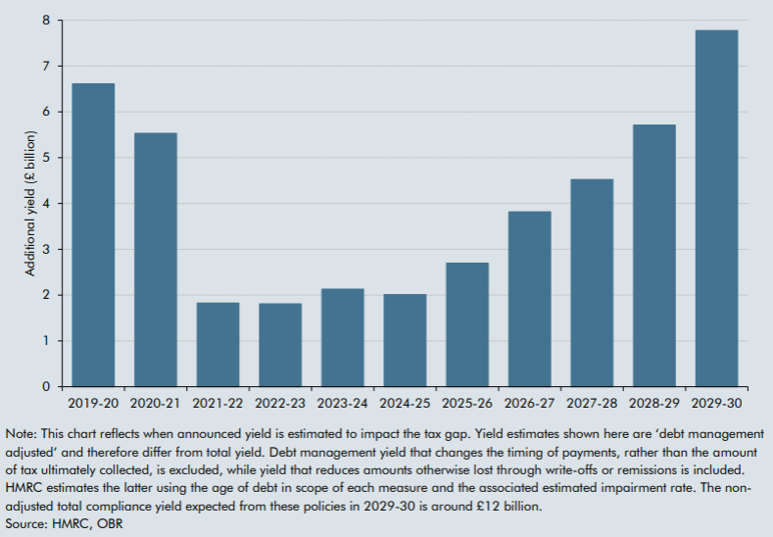

 |  | 2014-15 | 2015-16 | 2016-17 | 2017-18 | 2018-19 | 2019-20 | 2020-21 | 2021-22 | 2022-23 | 2023-24 | 2024-25 | 2025-26 | 2026-27 | 2027-28 | 2028-29 | 2029-30
 | Debt management adjusted yield | 0.4 | 2.2 | 3.0 | 5.0 | 5.1 | 6.6 | 5.5 | 1.8 | 1.8 | 2.1 | 2.0 | 2.7 | 3.8 | 4.5 | 5.7 | 7.8

C3.4
Back to contents
 | Chart 3.4: The value of the state pension under alternative uprating mechanisms

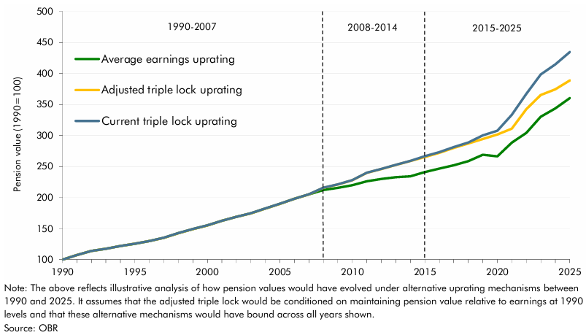

 | Year | 1990 | 1991 | 1992 | 1993 | 1994 | 1995 | 1996 | 1997 | 1998 | 1999 | 2000 | 2001 | 2002 | 2003 | 2004 | 2005 | 2006 | 2007 | 2008 | 2009 | 2010 | 2011 | 2012 | 2013 | 2014 | 2015 | 2016 | 2017 | 2018 | 2019 | 2020 | 2021 | 2022 | 2023 | 2024 | 2025
 | Average earnings uprating | 100.0 | 107.5 | 114.1 | 117.7 | 122.1 | 125.6 | 130.0 | 135.2 | 142.8 | 149.3 | 155.2 | 162.6 | 169.0 | 174.7 | 182.4 | 189.9 | 198.0 | 205.2 | 212.1 | 215.7 | 220.0 | 226.4 | 230.1 | 232.8 | 234.2 | 241.0 | 246.8 | 252.2 | 258.8 | 269.1 | 266.4 | 288.5 | 304.4 | 330.2 | 343.8 | 360.3
 | Current triple lock uprating | 100.0 | 107.5 | 114.1 | 117.7 | 122.1 | 125.7 | 130.1 | 135.3 | 142.9 | 149.5 | 155.3 | 162.8 | 169.1 | 174.9 | 182.6 | 190.0 | 198.2 | 205.4 | 216.0 | 221.4 | 228.3 | 240.2 | 246.2 | 252.8 | 259.1 | 266.7 | 273.3 | 281.5 | 288.8 | 300.4 | 307.9 | 333.5 | 367.1 | 398.3 | 414.7 | 434.6
 | Adjusted triple lock uprating | 100.0 | 107.5 | 114.1 | 117.7 | 122.1 | 125.7 | 130.0 | 135.2 | 142.8 | 149.3 | 155.2 | 162.6 | 169.0 | 174.7 | 182.4 | 189.9 | 198.0 | 205.2 | 215.8 | 221.2 | 228.1 | 239.9 | 245.9 | 252.6 | 258.9 | 265.4 | 272.0 | 280.2 | 287.2 | 294.3 | 301.7 | 311.0 | 342.5 | 365.4 | 374.5 | 388.8

